COVER
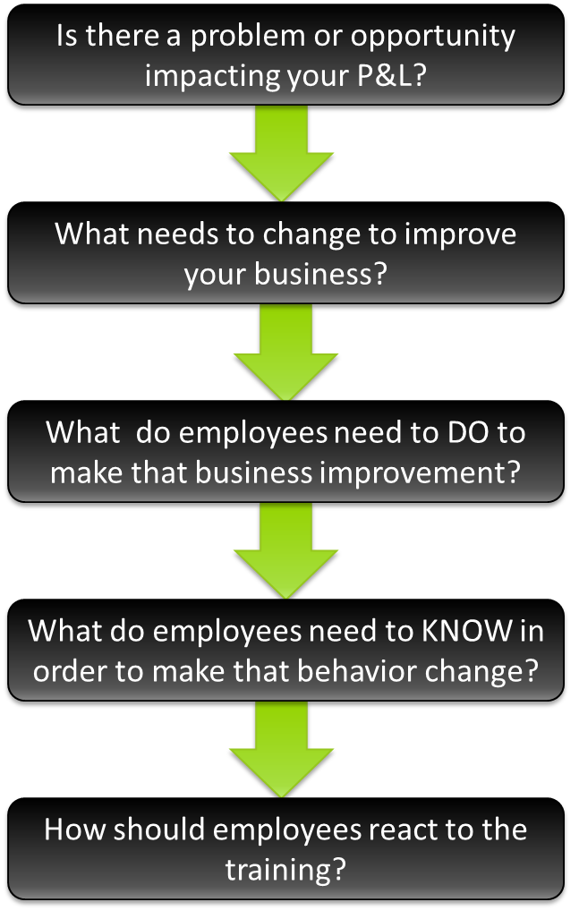
How to Develop Value-Based Success Criteria
Using the Value Chain of Impact

Why are Success Criteria Important?
CEOs and CFOs now want to see real impact upon a variety of business metrics, in order to continue funding learning programs. The definition of "value" varies company-to-company, but utlimately Learning Program owners are tasked with developing and delivering programs that provide value to the business. It is no longer satisfactory for learning programs to simply achieve high learner reaction scores.
How do I develop Success Criteria?
To deliver successful value-based learning programs, you must begin with the end result in mind. What impact is expected of your program? What specific business metrics must improve as a result of your program? Once identified you can then define the performance objectives that will drive the learning content needs. When learning programs are aligned to business objectives, strong business results follow.

What is in this Workbook?
Tab 1: The Value Chain | An Overview
Tab 2: The Workbook | Your Guide to Establishing Value-Based Objectives and Success Criteria
Tab 3: Levels of Impact | A contextual resource
Tab 4: Sample Objectives and Success Criteria | A contextual resource

DISCLAIMER: This workbook is in draft form, and is subject to change.
Last Update Made: |  | 28-Oct-2013
Author: | knthomas

