VP8000
KENWOOD Viking Price Guide | May 19, 2025

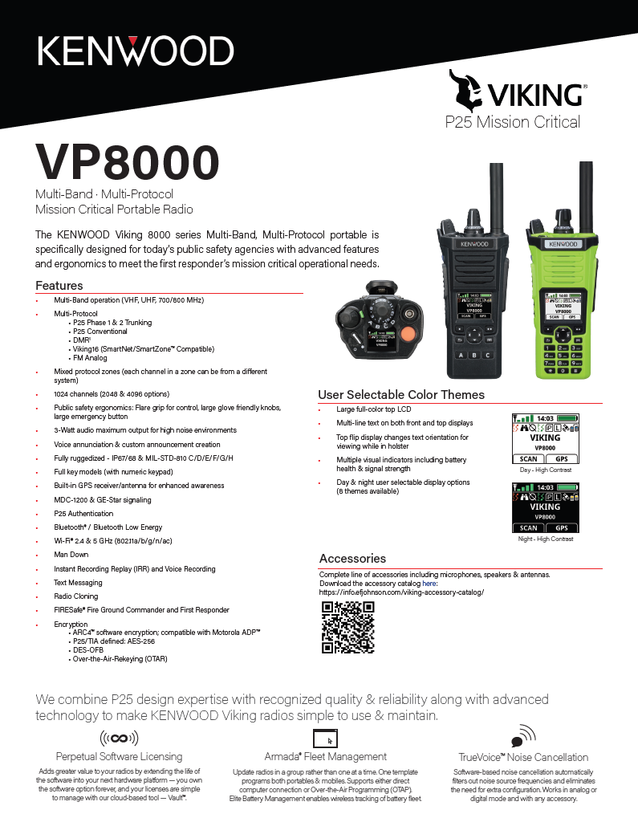

Radio - Base Model |  | Contract | List
VP8000BKF2 | VP8000 Multiband Portable. Model 2 (standard keypad), Black. No Bands Enabled | $2,160.00 | $2,700.00
VP8000BKF3 | VP8000 Multiband Portable. Model 3 (full keypad), Black. No Bands Enabled | $2,440.00 | $3,050.00
VP8000GRF2 | VP8000 Multiband Portable. Model 2 (standard keypad), Hi-Viz Green. No Bands Enabled | $2,384.00 | $2,980.00
VP8000GRF3 | VP8000 Multiband Portable. Model 3 (full keypad) Hi-Viz Green. No Bands Enabled | $2,656.00 | $3,320.00
Radio - Frequency Bands |  | Contract | List
832VP8000-VHF | VHF BAND ENABLE, VP8000 | $572.00 | $715.00
832VP8000-UHF | UHF BAND ENABLE, VP8000 | $572.00 | $715.00
832VP8000-7800 | 7/800 BAND ENABLE, VP8000 | $572.00 | $715.00
Model Options |  | Contract | List
250VP8000001 | Intrinsically Safe (CSA) option KNB-LS5 or KNB-LS7 battery required | $94.40 | $118.00
Antenna |  | Contract | List
KRA-47MB | Multi-Band Whip Antenna, 136-870 MHz | $92.80 | $116.00
KRA-32K | 700/800 MHz Whip Antenna | $37.44 | $46.80
KRA-36 | 700/800 MHz Stubby Antenna | $26.88 | $33.60
KRA-27M | UHF whip antenna 440-490 MHz | $17.60 | $22.00
KRA-27M2 | UHF whip antenna 470-520 MHz | $17.60 | $22.00
KRA-27M3 | UHF whip antenna 400-450 MHz | $17.60 | $22.00
KRA-23M | UHF low-profile helical antenna 450-490 MHz | $39.20 | $49.00
KRA-23M2 | UHF low-profile helical antenna 470-512 MHz | $39.20 | $49.00
KRA-23M3 | UHF low-profile helical antenna 403-430 MHz | $39.20 | $49.00
KRA-29 | UHF whip antenna 380-430 MHZ | $39.44 | $49.30
KRA-26M | VHF helical antenna 146-162 MHz | $17.60 | $22.00
KRA-26M2 | VHF helical antenna 162-174 MHz | $17.60 | $22.00
KRA-26M3 | VHF helical antenna 136-150 MHz | $17.60 | $22.00
KRA-22M | VHF low-profile helical antenna 148-162 MHz | $39.20 | $49.00
KRA-22M2 | VHF low-profile helical antenna 162-174 MHz | $39.20 | $49.00
KRA-22M3 | VHF Low-profile helical antenna 136-150 MHz | $39.20 | $49.00
KRA-25 | VHF High gain helically loaded whip 148-162 MHz | $36.80 | $46.00
KRA-28 | VHF Wideband whip antenna 140-170 MHz | $45.04 | $56.30
Batteries & Chargers |  | Contract | List
KNB-L2M | Li-ion 2600mAh (Standard) | $148.80 | $186.00
KNB-L3M | Li-ion 3400mAh (High Capacity) | $192.80 | $241.00
KNB-LS5CU | Li-ion Instrinsically Safe 2000 mAh | $224.00 | $280.00
KNB-LS7-IS | Li-ion Instrinsically Safe 3800mAh (High Capacity) | $322.40 | $403.00
KNB-L11M | Li-ion 3900 mAh (High Capacity) Note: Requires the KSC-52AK single bay charger or KSC-526K charger equipped with KSC-52PAW A-Pocket charger insert. | $192.80 | $241.00
Batteries & Chargers, Continued |  | Contract | List
KNB-L11X | Li-ion 3900 mAh (High Capacity). KNB-L11M Equivalent Note: Requires the KSC-52AK single bay charger or KSC-526K charger equipped with KSC-52PAW A-Pocket charger insert. | $175.40 | $219.25
KSC-52AK | Rapid rate single unit charger with A-Pocket charger insert. Compatible with KNB-L11M/X | $85.60 | $107.00
KSC-52BK | Rapid rate single unit charger with B-Pocket charger insert. Compatible with KNB-L2/L3/LS5/LS7 style batteries. | $85.60 | $107.00
KSC-526K | Rapid rate 6-unit charger. Note: Requires insertion of 6 charger pockets of styles KSC-52PAK, KSC-52PBK or KSC-52CK | $724.80 | $906.00
KSC-52PAW | Charger Pocket type A for KSC-526K 6-bay or as replacement pocket for KSC-52AK charger. Compatible with KNB-L11M battery. | $9.52 | $11.90
KSC-52PBW | Charger Pocket type B for KSC-526K 6-bay or as replacement pocket for KSC-52BK charger. Compatible with KNB-L2/L3/LS5/LS7 batteries. | $9.52 | $11.90
KMB-526K | Wall Mount Bracket for KSC-526K 6-Bay Charger | $73.20 | $91.50
KVC-23A | Vehicular Charger. Supports KNB-L2/L3/LS7/L11 batteries. Replaces KVC-23V. | $322.40 | $403.00
Carrying Accessories |  | Contract | List
KBH-11 | Spring action belt clip (2.5") | $15.68 | $19.60
KW9130-LF | Leather Case, Fire service shoulder strap D-rings. Compatible with larger batteries: KNB-L3, KNB-LS7 and KNB-L11 | $64.00 | $80.00
KW9140-LF | Leather Case, Fire service shoulder strap D-rings. Compatible with smaller batteries: KNB-L2 and KNB-LS5. | $64.00 | $80.00
KW9130-LP | Leather Case, Police style D-Swivel. Compatible with larger batteries: KNB-L3, KNB-LS7 and KNB-L11 | $64.00 | $80.00
KW9140-LP | Leather Case, Police style D-Swivel. Compatible with smaller batteries: KNB-L2 and KNB-LS5. | $70.40 | $88.00
KW9130-NP | Nylon Case, Police style D-Swivel. Compatible with larger batteries: KNB-L3, KNB-LS7 and KNB-L11. | $64.00 | $80.00
KW9140-NP | Nylon Case, Police style D-Swivel. Compatible with smaller batteries: KNB-L2 and KNB-LS5. | $70.40 | $88.00
Microphones & Audio Accessories |  | Contract | List
KMC-49 | MIL-SPEC, Speaker Mic. with Antenna Connector Note: 5/16" Coax cable hex wrench included (antenna is not included.) | $396.00 | $495.00
KMC-70M | MIL-SPEC, IP67 (Immersion) Speaker Mic. Black. 3 Programmable Buttons | $139.20 | $174.00
KMC-70GR | MIL-SPEC, IP67 (Immersion) Speaker Mic. Hi-Viz Green. 3 Programmable Buttons | $148.00 | $185.00
KEP-1 | 3.5mm earphone kit for KMC-41/42W/54W/70M Speaker Mics | $54.16 | $67.70
KEP-2 | 2.5mm earphone kit for KMC-49 Speaker Mic | $59.60 | $74.50
KHS-11BL | 2-wire palm mic w/earphone, universal connector (Black) | $162.24 | $202.80
KHS-12BL | 3-wire mini lapel mic w/earphone, universal connector (Black) | $321.60 | $402.00
KHS-14C | Light Weight Single muff headset w/boom mic & In-line PTT | $124.80 | $156.00
Programming |  | Contract | List
KPG-236UM | Programming Cable. Compatible with VP5000/VP6000/VP8000. Required for VP8000 since KPG-36 cables do not support USB High Speed. | $169.60 | $212.00
2990045094 | Armada Software Subscription - 5 years | $476.00 | $595.00
Protocol |  | Contract | List
8321050001 | Analog FM (standard) | $0 | $0
8321000002 | P25 CAI AMBE+2 (standard) | $0 | $0
System Options |  | Contract | List
8322000001 | Analog Conventional | $0 | $0
8322000002 | P25 Conventional | $332.00 | $415.00
8322000005 | P25 Phase 1 Trunking (Requires option 8322000002) | $116.00 | $145.00
8322000006 | P25 Phase 2 TDMA (Requires option 8322000005) | $380.00 | $475.00
8322000104 | Viking16 | $80.00 | $100.00
8322000009 | DMR Tier II Conventional, Vx8000 | $380.00 | $475.00
8322000010 | DMR Tier III Trunking, Vx8000 | $380.00 | $475.00
Optional Features |  | Contract | List
 | Channels/Talkgroups
8326000006 | 1024 Channels/Talkgroups (standard) | $0 | $0
8326000008 | 2048 Channels/Talkgroups | $284.00 | $355.00
8326000009 | 4096 Channels/Talkgroups | $568.00 | $710.00
8326000041 | 6144 Channels/Talkgroups | $800.00 | $1,000.00
 | Encryption (requires Protocol Option 8322000002 - Digital/Project 25 CAI AMBE+2)
8323000005 | ARC4 (ADP compatible) | $0 | $0
8323000001 | DES-OFB (single-key) | $0 | $0
8323000003 | DES-OFB (multi-key) | $0 | $0
8323000002 | AES FIPS 140-3 (single-key) Note: Certified to FIPS 140-3 Level 1 encryption when the KWD-AE40K module is not installed. FIPS 140-3 Level 3 encryption requires addition of KWD-AE40K module. | $144.00 | $180.00
8323000004 | AES FIPS 140-3 (multi-key) Note: Certified to FIPS 140-3 Level 1 encryption when the KWD-AE40K module is not installed. FIPS 140-3 Level 3 encryption requires addition of KWD-AE40K module. | $448.00 | $560.00
KWD-AE40K | Hardware Encryption Module required for FIPS 140-3 Level 3 encryption. Requires AES encryption option (8323000004 or 8323000002) as a prerequisite | $912.00 | $1,140.00
 | Programming & Data
8326000002 | MDC1200/GE-Star Signaling | $48.00 | $60.00
8325000002 | P25 Data Conventional Packet Data | $132.00 | $165.00
8325000001 | P25 Data Trunking (Conventional included) | $188.00 | $235.00
8326000027 | P25 Paging Decode/Encode | $96.00 | $120.00
8324000002 | OTAR (Over-The-Air-Rekeying) | $712.00 | $890.00
8324000008 | Multi-System OTAR (Requires 8324000002) | $120.00 | $150.00
8326000001 | P25 Authentication | $96.00 | $120.00
8324000003 | OTAP (Over-the-Air Programming) | $188.00 | $235.00
8326000003 | FIRESafe™ First Responder | $240.00 | $300.00
8326000004 | FIRESafe™ Command (includes First Responder) | $332.00 | $415.00
8326000042 | Viking Personnel Accountability | $120.00 | $150.00
8325000003 | GPS | $96.00 | $120.00
8324000005 | Keypad Programming (U.S. Federal Government Only) | $44.00 | $55.00
8326000023 | EVRS, Portable | $96.00 | $120.00
8326000026 | Man Down | $96.00 | $120.00
8326000028 | Instant Recording Replay | $96.00 | $120.00
Optional Features |  | Contract | List
 | Programming & Data, continued
8326000031 | Radio Cloning | $96.00 | $120.00
8326000032 | Text Messaging | $188.00 | $235.00
8326000025 | Bluetooth * (no charge in initial offering of VP8000) | $- | $0
8326000033 | Bluetooth Low Energy * (no charge in initial offering of VP8000) | $- | $0
8326000039 | WiFi * (no charge in initial offering of VP8000) | $- | $0
8324000004 | OTIP (Programming over WiFi). Requires 8326000039 | $188.00 | $235.00
8326000040 | Broadband Data Services and VPN, Vx8000 Requires 8326000039 | $96.00 | $120.00
8326000034 | Custom Transmit Power Levels | $188.00 | $235.00

 | * prices shown are when configured with radio. The list price may be higher when purchased separately. See the Viking Accessory Catalog for list price when purchased separately.

VP5000
KENWOOD Viking Price Guide | May 19, 2025

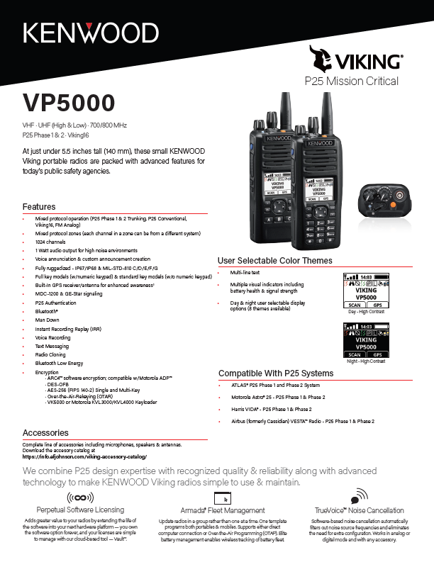

Radio - Base Model |  | Contract | List
VP5430F2 | P25 Portable, 700/800 MHz band, 762-806 MHz and 806-870 MHz, Black, Model 2 (standard keypad) | $1,632.00 | $2,040.00
VP5430F3 | P25 Portable, 700/800 MHz band, 762-806 MHz and 806-870 MHz, Black, Model 3 (full keypad) | $1,680.00 | $2,100.00
VP5330F2 | P25 Portable, UHF Hi, 450-520 MHz, Model 2 (standard keypad) | $1,632.00 | $2,040.00
VP5330F5 | P25 Portable, UHF Lo, 380-470 MHz, Model 2 (standard keypad) | $1,632.00 | $2,040.00
VP5330F3 | P25 Portable, UHF Hi, 450-520 MHz, Model 3 (full keypad) | $1,680.00 | $2,100.00
VP5330F6 | P25 Portable, UHF Lo,, 380-470 MHz, Model 3 (full keypad) | $1,680.00 | $2,100.00
VP5230F2 | P25 Portable, VHF, 136-174 MHz, Model 2 (standard keypad) | $1,632.00 | $2,040.00
VP5230F3 | P25 Portable, VHF, 136-174 MHz, Model 3 (full keypad) | $1,680.00 | $2,100.00
Model Options |  | Contract | List
250VP5000001 | Intrinsically Safe (CSA) KNB-LS5 or -LS7 battery required | $94.40 | $118.00
Antenna |  | Contract | List
KRA-32K | 700/800 MHz Whip Antenna | $37.44 | $46.80
KRA-36 | 700/800 MHz Stubby Antenna | $26.88 | $33.60
KRA-27M | UHF whip antenna 440-490 MHz | $17.60 | $22.00
KRA-27M2 | UHF whip antenna 470-520 MHz | $17.60 | $22.00
KRA-27M3 | UHF whip antenna 400-450 MHz | $17.60 | $22.00
KRA-23M | UHF low-profile helical antenna 450-490 MHz | $39.20 | $49.00
KRA-23M2 | UHF low-profile helical antenna 470-512 MHz | $39.20 | $49.00
KRA-23M3 | UHF low-profile helical antenna 403-430 MHz | $39.20 | $49.00
KRA-29 | UHF whip antenna 380-430 MHZ | $39.44 | $49.30
KRA-26M | VHF helical antenna 146-162 MHz | $17.60 | $22.00
KRA-26M2 | VHF helical antenna 162-174 MHz | $17.60 | $22.00
KRA-26M3 | VHF helical antenna 136-150 MHz | $17.60 | $22.00
KRA-22M | VHF low-profile helical antenna 148-162 MHz | $39.20 | $49.00
KRA-22M2 | VHF low-profile helical antenna 162-174 MHz | $39.20 | $49.00
KRA-22M3 | VHF Low-profile helical antenna 136-150 MHz | $39.20 | $49.00
KRA-25 | VHF High gain helically loaded whip 148-162 MHz | $36.80 | $46.00
KRA-28 | VHF Wideband whip antenna 140-170 MHz | $45.04 | $56.30
Batteries & Chargers |  | Contract | List
KNB-L2M | Li-ion 2600mAh (Standard) | $148.80 | $186.00
KNB-L3M | Li-ion 3400mAh (High Capacity) | $192.80 | $241.00
KNB-LS5CU | Li-ion Instrinsically Safe 2000 mAh | $224.00 | $280.00
KNB-LS7-IS | Li-ion Instrinsically Safe 3800mAh (High Capacity) | $322.40 | $403.00
KNB-L11M | Li-ion 3900 mAh (High Capacity) Note: Requires the KSC-52AK single bay charger or KSC-526K charger equipped with KSC-52PAW A-Pocket charger insert. | $192.80 | $241.00
KNB-L11X | Li-ion 3900 mAh (High Capacity). KNB-L11M Equivalent Note: Requires the KSC-52AK single bay charger or KSC-526K charger equipped with KSC-52PAW A-Pocket charger insert. | $175.40 | $219.25
KSC-52AK | Rapid rate single unit charger with A-Pocket charger insert. Compatible with KNB-L11M/X | $85.60 | $107.00
KSC-52BK | Rapid rate single unit charger with B-Pocket charger insert. Compatible with KNB-L2/L3/LS5/LS7 batteries. | $85.60 | $107.00
KSC-526K | Rapid rate 6-unit charger. Note: Requires insertion of 6 charger pockets of styles KSC-52PAK, KSC-52PBK or KSC-52CK | $724.80 | $906.00
KSC-52PAW | Charger Pocket type A for KSC-526K 6-bay or as replacement pocket for KSC-52AK charger. Compatible with KNB-L11M battery. | $9.52 | $11.90
KSC-52PBW | Charger Pocket type B for KSC-526K 6-bay or as replacement pocket for KSC-52BK charger. Compatible with KNB-L2/L3/LS5/LS7 batteries. | $9.52 | $11.90
KMB-526K | Wall Mount Bracket for KSC-526K 6-Bay Charger | $73.20 | $91.50
KVC-23A | Vehicular Charger. Supports KNB-L2/L3/LS7/L11 batteries. Replaces KVC-23V. | $322.40 | $403.00
Carrying Accessories |  | Contract | List
KBH-11 | Spring action belt clip (2.5") | $15.68 | $19.60
KBH-8DS | Leather Belt Loop with D-swivel | $28.16 | $35.20
KLH-6SW | Leather swivel belt loop / detachable swivel D-Ring back for KLH-200K3 | $23.60 | $29.50
KLH-137ST | Firemen's Heavy-Duty Leather Shoulder Strap for a Heavy-Duty Leather Case | $39.44 | $49.30
KLH-200K3 | Heavy duty leather carrying case for VP5000 series with KNB-L2/L3/LS5CU batteries (for both keypad models) | $47.36 | $59.20
KLH-201K3 | Nylon carrying case for VP5000 series with KNB-L2/L3/LS5CU battery (for both keypad models) | $28.16 | $35.20
Microphones & Audio Accessories |  | Contract | List
KMC-49 | MIL-SPEC, Speaker Mic. with Antenna Connector Note: 5/16" Coax cable hex wrench included (antenna is not included.) | $396.00 | $495.00
KMC-70M | MIL-SPEC, IP67 (Immersion) Speaker Mic. 3 Programmable Buttons | $139.20 | $174.00
KEP-1 | 3.5mm earphone kit for KMC-41/42W/54W/70M Speaker Mics | $54.16 | $67.70
KEP-2 | 2.5mm earphone kit for KMC-49 Speaker Mic | $59.60 | $74.50
KHS-11BL | 2-wire palm mic w/earphone, universal connector (Black) | $162.24 | $202.80
KHS-12BL | 3-wire mini lapel mic w/earphone, universal connector (Black) | $321.60 | $402.00
KHS-14C | Light Weight Single muff headset w/boom mic & In-line PTT | $124.80 | $156.00
Programming |  | Contract | List
KPG-36XM | Programming Cable. Compatible with VP5000/VP6000 | $169.60 | $212.00
KPG-236UM | Programming Cable. Compatible with VP5000/VP6000/VP8000. | $169.60 | $212.00
2990045094 | Armada Software Subscription - 5 years | $476.00 | $595.00
Protocol |  | Contract | List
8321050001 | Analog FM (standard) | $0 | $0
8321000002 | P25 CAI AMBE+2 (standard) | $0 | $0
System Options |  | List | List
8322000001 | Analog Conventional | $0 | $0
8322000002 | P25 Conventional * | $0 | $0
8322000005 | P25 Phase 1 Trunking (Requires option 8322000002)* | $0 | $0
8322000006 | P25 Phase 2 TDMA (Requires option 8322000005) | $380.00 | $475.00
8322000104 | Viking16 | $80.00 | $100.00
Optional Features |  | Contract | List
 | Channels/Talkgroups
8326000006 | 1024 Channels/Talkgroups (standard) | $0 | $0
 | Encryption (requires Protocol Option 8322000002 - Digital/Project 25 CAI AMBE+2)
8323000003 | DES-OFB (multi-key) NOTE: Requires addition of KWD-DE31F or KWD-AE30K module to VP5000 if the radio was initially purchased without any DES, AES, or P25 Authentication encryption options. | $0 | $0
8323000002 | AES FIPS140-2 (single key) (DES-OFB single key included) NOTE: Requires addition of KWD-AE30K module to VP5000 if the radio was initially purchased without any AES or P25 Authentication encryption option. | $144.00 | $180.00
 | Encryption options - Continued | Contract | List
8323000004 | AES FIPS140-2 (multi key) (DES-OFB multi-key included) NOTE: Requires addition of KWD-AE30K module to VP5000 if the radio was initially purchased without any AES, or P25 Authentication encryption option. | $448.00 | $560.00
8323000005 | ARC4 (ADP compatible) | $0 | $0
KWD-DE31F | Encryption Module required for-DES OFB (multi-key). Does not support AES. | $208.00 | $260.00
KWD-AE30K * | Encryption Module required for AES FIPS 140-2 or P25 Authentication. Also supports DES-OFB. List price shown if the module and the encryption option is purchased together with Radio at initial order. * | $290.40 | $363.00
KWD-AE30K | Encryption Module required for AES FIPS 140-2 or P25 Authentication. Also supports DES-OFB. List price shown is if the module and encryption option is purchased separately from radio. | $912.00 | $1,140.00
 | Programming & Data
8326000002 | MDC1200/GE-Star Signaling | $48.00 | $60.00
8325000002 | P25 Data Conventional Packet Data | $132.00 | $165.00
8325000001 | P25 Data Trunking (Conventional included) | $188.00 | $235.00
8326000027 | P25 Paging Decode/Encode | $96.00 | $120.00
8324000002 | OTAR (Over-The-Air-Rekeying) | $712.00 | $890.00
8326000001 | P25 Authentication NOTE: Requires the addition of a KWD-AE30K module to VP5000 if the radio was initially purchased without AES or P25 Authentication encryption options. | $96.00 | $120.00
8324000003 | OTAP (Over-the-Air Programming) | $188.00 | $235.00
8326000003 | FIRESafe™ First Responder | $240.00 | $300.00
8326000004 | FIRESafe™ Command (includes First Responder) | $332.00 | $415.00
8326000042 | Viking Personnel Accountability | $120.00 | $150.00
8325000003 | GPS | $96.00 | $120.00
8324000005 | Keypad Programming (U.S. Federal Government Only) | $44.00 | $55.00
8326000023 | EVRS, Portable | $96.00 | $120.00
8326000025 | Bluetooth | $96.00 | $120.00
8326000033 | Bluetooth Low Energy | $96.00 | $120.00
8326000026 | Man Down | $96.00 | $120.00
8326000028 | Instant Recording Replay | $96.00 | $120.00
8326000031 | Radio Cloning | $96.00 | $120.00
8326000032 | Text Messaging | $188.00 | $235.00
8326000034 | Custom Transmit Power Levels | $188.00 | $235.00

 | * prices shown are when configured with radio. The list price may be higher when purchased separately. See notes or the Viking Accessory Catalog for list price when purchased separately.

VM8000
KENWOOD Viking Price Guide | May 19, 2025

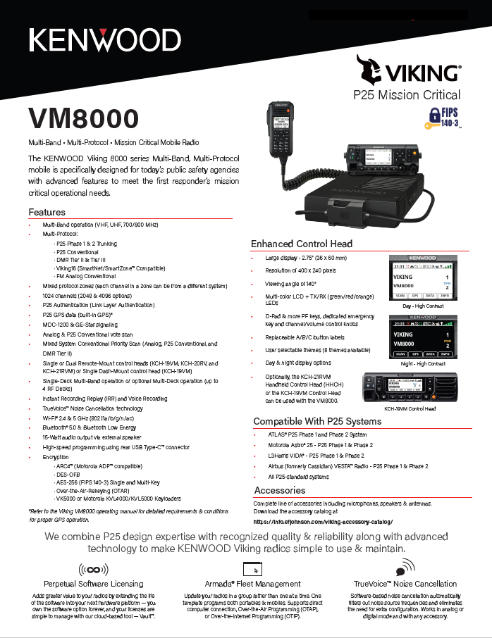

Radio - Base Model |  | Contract | List
VM8000BF | VP8000 Multiband Mobile. No Bands Enabled. | $2,632.00 | $3,290.00
VM8000BF-P | VP8000 Multiband Mobile, with Primary multi-deck option. Requires all Band Enable options for use in multi-deck. | $2,632.00 | $3,290.00
VM8000BF-S | VP8000 Multiband Mobile, with Secondary multi-deck option. Requires all Band Enable options for use in multi-deck. | $2,632.00 | $3,290.00
Radio - Frequency Bands |  | List | List
832VM8000-V | VHF BAND ENABLE, VM8000 | $572.00 | $715.00
832VM8000-U | UHF BAND ENABLE, VM8000 | $572.00 | $715.00
832VM8000-78 | 7/800 BAND ENABLE, VM8000 | $572.00 | $715.00
Mounting and Power Accessories |  | List | List
KMB-33M | Mounting Bracket | $15.12 | $18.90
KCT-46 | Ignition Sense Cable | $14.72 | $18.40
KCT-23M | DC Cable-Dash, 10' | $42.00 | $52.50
KCT-23M3 | DC Cable-Remote, 23' | $57.84 | $72.30
KCT-18 | Ignition Sense Cable | $21.12 | $26.40
KLF-2 | Line filter for DC voltage supply. Filters noise induced from vehicular alternator | $100.00 | $125.00
835VM8000CTS | Desktop Control Station Mounting Kit for KPS-15 | $726.40 | $908.00
KPS-15 | DC Switching Power Supply for Control Station (117/230 VAC; 23A max. continuous, 25A peak) | $185.60 | $232.00
Antennas and Mounts |  | List | List
836VRA12 | Mobile Antenna, Multiband, WPD136M6C 136-174/380-520/760-870 MHz | $268.80 | $336.00
5010012060 | Mobile Antenna, Multiband, 136-960 Mhz | $300.80 | $376.00
836VRA10 | Mobile Antenna, VHF, 136-174 Mhz, Unity Gain | $96.00 | $120.00
836VRA11 | Mobile Antenna, VHF , 136-174 Mhz, 3dB | $74.80 | $93.50
BB3803WS | Mobile Antenna, UHF , 380-520 Mhz, 3dBi | $114.40 | $143.00
NMO440CHW | Mobile Antenna, UHF , 440-460 Mhz, 5.5dB | $140.80 | $176.00
G8XNI | Antenna Mount, MagMount, NMO base, Type-N RF connector, 12' Cable | $110.40 | $138.00
5010012047 | Antenna Mount, Thru Hole, NMO base, Type-N RF connector, 17' Cable | $88.00 | $110.00
5010012020 | Antenna Kit, 760-870 MHZ, Low Profile, Thru-hole mount, Type-N RF connector, 17' Cable | $81.60 | $102.00
5010012021 | Antenna Kit, 760-870 MHZ, 3db Whip, Thru-hole mount, Type-N RF connector, 17' Cable | $99.20 | $124.00
KRA-40GM | GPS antenna, Mag mount | $99.20 | $124.00
5018800104 | GPS Antenna, Vehicular Through-hole mount | $110.40 | $138.00
5018800102 | GPS/WiFi/Bluetooth Antenna, Vehicular Through-hole mount | $176.00 | $220.00
5018800103 | WiFi/Bluetooth Antenna. Through-Hole mount | $101.60 | $127.00
5018800106 | WiFi/Bluetooth Antenna, control station, stubby | $18.80 | $23.50
Control Heads and Accessories |  | List | List
KCH-19VM | KCH-19 Control Head | $192.80 | $241.00
KRK-14HV | KCH-19 Rear Panel for Remote Mount | $169.60 | $212.00
KCH-20RV | KCH-20 Enhanced control head, remote Mount | $642.40 | $803.00
KCH-21RVM | KCH-21 Hand Held control head | $1,064.00 | $1,330.00
KRK-15BM | Remote Kit for KCH Control Heads, VM8000 | $53.52 | $66.90
KCT-71M2 | 17 Ft remote cable, KCH-19/20 | $75.28 | $94.10
KCT-71M3 | 25 Ft remote cable, KCH-19/20 | $85.60 | $107.00
KCT-71A50 | Remote Cable up to 50 Ft, KCH-19/20 | $181.44 | $226.80
KCT-71A100 | Remote Cable up to 100 Ft, KCH-19/20 | $257.60 | $322.00
KCT-71M4 | 1.6 Ft Remote Cable, KCH-19/20 (Control Station) | $48.16 | $60.20
KCT-77M2 | Remote cable, KCH-21 Hand Held Control Head | $196.00 | $245.00
Microphones & Speakers |  | List | List
KMC-65M | Standard Mobile Mic for KCH Control Head | $55.92 | $69.90
KMC-66M | 12 Button Keypad Mic for KCH Control Head | $101.60 | $127.00
KMC-9C | Control Station Desktop Microphone (8-pin modular plug) | $92.00 | $115.00
KMC-59C | Control Station Desktop Microphone (8-pin modular plug) Improved noise response for Phase 2 TDMA systems | $185.84 | $232.30
KES-8K | 10W External Speaker, 3.5 mm audio plug | $116.00 | $145.00
KES-5A | 40W External Speaker, connects to 9-pin accessory pin or to KCT-72M on KCH-20 Control Head | $143.20 | $179.00
KCT-72M | External Accessory Connection Cable for KCH-20RV remote control head | $39.36 | $49.20
Programming |  | List | List
KPG-46XM | Programming CAble, VM5000 KCH-19 Dash mount | $169.60 | $212.00
5975390200 | USB-C Programming Cable, Top Screw Locking | $58.80 | $73.50
2990045094 | Armada Software Subscription - 5 years | $476.00 | $595.00
Protocol |  | List | List
8321050001 | Analog FM (standard) | $0 | $0
8321000002 | P25 CAI AMBE+2 (standard) | $0 | $0
System Options |  | List | List
8322000001 | Analog Conventional | $0 | $0
8322000002 | P25 Conventional | $332.00 | $415.00
8322000005 | P25 Phase 1 Trunking (Requires option 8322000002) | $116.00 | $145.00
8322000006 | P25 Phase 2 TDMA (Requires option 8322000005) | $380.00 | $475.00
8322000104 | Viking16 | $80.00 | $100.00
8322000009 | DMR Tier II Conventional, Vx8000 | $380.00 | $475.00
8322000010 | DMR Tier III Trunking, Vx8000 | $380.00 | $475.00
Optional Features |  | List | List
 | Channels/Talkgroups
8326000006 | 1024 Channels/Talkgroups (standard) | $0 | $0
8326000008 | 2048 Channels/Talkgroups | $284.00 | $355.00
8326000009 | 4096 Channels/Talkgroups | $568.00 | $710.00
8326000041 | 6144 Channels/Talkgroups | $800.00 | $1,000.00
 | Encryption (requires Protocol Option 8322000002 - Digital/Project 25 CAI AMBE+2)
8323000005 | ARC4 (ADP compatible) | $0 | $0
8323000001 | DES-OFB (single-key) | $0 | $0
8323000003 | DES-OFB (multi-key) | $0 | $0
8323000002 | AES FIPS 140-3 (single-key) Note: Certified to FIPS 140-3 Level 1 encryption when the KWD-AE40K module is not installed. FIPS 140-3 Level 3 encryption requires addition of KWD-AE40K module. | $144.00 | $180.00
8323000004 | AES FIPS 140-3 (multi-key) Note: Certified to FIPS 140-3 Level 1 encryption when the KWD-AE40K module is not installed. FIPS 140-3 Level 3 encryption requires addition of KWD-AE40K module. | $448.00 | $560.00
KWD-AE40K | Hardware Encryption Module required for FIPS 140-3 Level 3 encryption. Requires AES encryption option (8323000004 or 8323000002) as a prerequisite | $912.00 | $1,140.00
 | Programming & Data
8326000002 | MDC1200/GE-Star Signaling | $48.00 | $60.00
8325000002 | P25 Data Conventional Packet Data | $132.00 | $165.00
8325000001 | P25 Data Trunking (Conventional included) | $188.00 | $235.00
8326000027 | P25 Paging Decode/Encode | $96.00 | $120.00
8324000002 | OTAR (Over-The-Air-Rekeying) | $712.00 | $890.00
8324000008 | Multi-System OTAR (Requires 8324000002) | $120.00 | $150.00
8326000001 | P25 Authentication | $96.00 | $120.00
8324000003 | OTAP (Over-the-Air Programming) | $188.00 | $235.00
8325000003 | GPS (Antenna Required) | $96.00 | $120.00
8324000005 | Keypad Programming (U.S. Federal Government Only) | $44.00 | $55.00
8326000028 | Instant Recording Replay | $96.00 | $120.00
8326000031 | Radio Cloning | $96.00 | $120.00
8326000032 | Text Messaging | $188.00 | $235.00
8326000025 | Bluetooth * (Antenna Required) (no charge in initial offering of VM000) | $0 | $0
8326000033 | Bluetooth Low Energy * Antenna required (no charge in initial offering of VM8000) | $0 | $0
8326000039 | WiFi * Antenna Required (no charge in initial offering of VM8000) | $0 | $0
8324000004 | OTIP (Programming over WiFi). Requires 8326000039 | $188.00 | $235.00
8326000040 | Broadband Data Services and VPN, Vx8000 | $96.00 | $120.00
8326000034 | Custom Transmit Power Levels | $188.00 | $235.00
8326000024 | EVRS Mobile | $80.00 | $100.00
8326000013 | Third-Party Interface Protocol | $144.00 | $180.00

 | * prices shown are when configured with radio. The list price may be higher when purchased separately. See the Viking Accessory Catalog for list price when purchased separately.

VM7000
KENWOOD Viking Price Guide | May 19, 2025

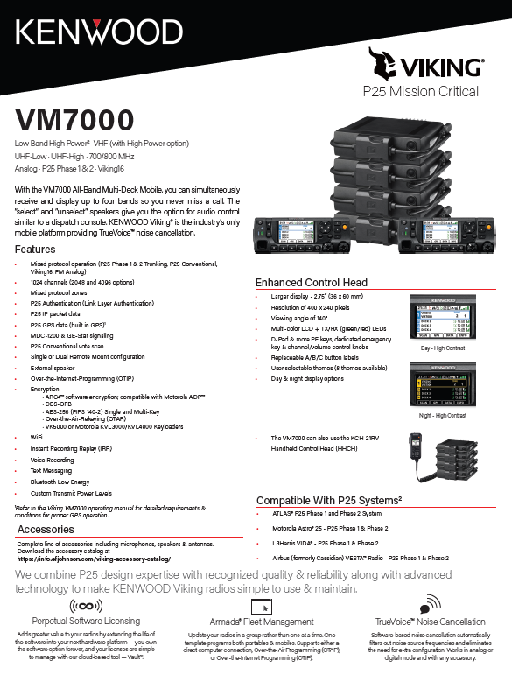

Primary Radio - (First Deck, Choose one) |  | Contract | List
VM7630HBF-P | VM7000 39-50 MHZ Hi Power Low Band Primary | $3,416.00 | $4,270.00
VM7730HBF-P | VM7000 136-174 MHZ Hi Power Primary | $3,416.00 | $4,270.00
VM7730BF-P | VM7000 136-174 MHZ Primary | $2,648.00 | $3,310.00
VM7830BF-P | VM7000 450-520 MHZ Primary | $2,648.00 | $3,310.00
VM7830HBF-P | VM7000 450-520 MHZ Hi Power Primary | $3,416.00 | $4,270.00
VM7830BF2-P | VM7000 380-470 MHZ Primary | $2,648.00 | $3,310.00
VM7930BF-P | VM7000 700/800 MHZ Primary | $2,648.00 | $3,310.00
Secondary Radio - (2nd-4th Deck, Choose up to 3) |  | Contract | List
VM7730HBF-S | VM7000 136-174 MHZ Hi Power Secondary | $1,984.00 | $2,480.00
VM7630HBF-S | VM7000 39-50 MHZ Hi Power Low Band Secondary | $1,984.00 | $2,480.00
VM7730BF-S | VM7000 136-174 MHZ Secondary | $1,216.00 | $1,520.00
VM7830BF-S | VM7000 450-520 MHZ Secondary | $1,216.00 | $1,520.00
VM7830HBF-S | VM7000 450-520 MHZ High Power Secondary | $1,984.00 | $2,480.00
VM7830BF2-S | VM7000 380-470 MHZ Secondary | $1,216.00 | $1,520.00
VM7930BF-S | VM7000 700/800 MHZ Secondary | $1,216.00 | $1,520.00
Mounting Accessories |  | Contract | List
KMB-33M | Mounting Bracket | $15.12 | $18.90
KMB-36 | Hi Power Deck Mounting Bracket | $80.80 | $101.00
836VMB10 | Mounting Bracket, Dual Deck, VM7000 | $158.40 | $198.00
KCT-46 | Ignition Sense Cable | $14.72 | $18.40
KCT-18 | Hi Power Ignition Sense Cable | $21.12 | $26.40
KCT-23M3 | DC Cable-Remote, 23' | $57.84 | $72.30
KCT-23M4 | Hi Power Deck DC Cable | $128.80 | $161.00
KLF-2 | Line filter for DC voltage supply. Filters noise induced from vehicular alternator | $100.00 | $125.00
Control head |  | Contract | List
KCH-20RV | KCH-20 Enhanced control head | $642.40 | $803.00
KCH-21RVM | KCH-21 Hand Held control head | $1,064.00 | $1,330.00
KRK-17BF | Remote Kit for KCH Control Head | $149.60 | $187.00
KCT-77M2 | Hand Held Control Head remote cable | $196.00 | $245.00
KCT-71M2 | 17 Ft remote cable, KCH-20 | $75.28 | $94.10
KCT-71M3 | 25 Ft remote cable, KCH-20 | $85.60 | $107.00
KCT-71A50 | Remote Cable up to 50 Ft, KCH-20 | $181.44 | $226.80
KCT-71A100 | Remote Cable up to 100 Ft, KCH-20 | $257.60 | $322.00
KCT-71M4 | 1.6 Ft Remote Cable / Multi-deck Control Cable | $48.16 | $60.20
KMC-65M | Standard Mobile Mic for KCH Control Head | $55.92 | $69.90
KMC-66M | 12 Button Keypad Mic for KCH Control Head | $101.60 | $127.00
Speaker |  | Contract | List
KCT-72M | External Accessory Connection Cable for KCH-20RV remote control heads | $39.36 | $49.20
KAP-2 | Horn Alert / PA Relay Option Kit | $67.52 | $84.40
KES-5A | 40W External Speaker. Requires KAP-2 kit to connect to radio. Requires KCT-72M cable to connecto to KCH-20 Control Head. | $143.20 | $179.00
KES-8K | 10W External Speaker, 3.5 mm audio plug | $116.00 | $145.00
Power Supply |  | Contract | List
EH-30 | VM7000 30 Amp DC Power Supply for Hi-Power decks | $378.40 | $473.00
KPS-15 | DC Switching Power Supply (117/230 VAC; 23A max. continuous, 25A peak) | $185.60 | $232.00
Programming |  | Contract | List
R5975357791 | USB Micro B Male to USB A Male Programming Cable | $28.16 | $35.20
597539077901 | USB Micro B Extension Cable | $22.88 | $28.60
2990045094 | Armada Software Subscription - 5 years | $476.00 | $595.00
Protocol |  | Contract | List
8321050001 | Analog FM (standard) | $0 | $0
8321000002 | P25 CAI AMBE+2 (standard) | $0 | $0
System Options |  | Contract | List
8322000001 | Analog Conventional | $0 | $0
8322000002 | P25 Conventional | $332.00 | $415.00
8322000005 | P25 Phase 1 Trunking (Requires option 8322000002) | $116.00 | $145.00
8322000006 | P25 Phase 2 TDMA (Requires option 8322000005) | $380.00 | $475.00
8322000104 | Viking16 | $80.00 | $100.00
Optional Features |  | Contract | List
 | Channels/Talkgroups
8326000006 | 1024 Channels/Talkgroups (standard) | $0 | $0
8326000008 | 2048 Channels/Talkgroups | $284.00 | $355.00
8326000009 | 4096 Channels/Talkgroups | $568.00 | $710.00
8326000041 | 6144 Channels/Talkgroups | $800.00 | $1,000.00
 | Encryption (requires Protocol Option 8322000002 - Digital/Project 25 CAI AMBE+2)
8323000003 | DES-OFB (multi-key) | $0 | $0
8323000002 | AES FIPS 140-2 (single-key) | $144.00 | $180.00
8323000004 | AES FIPS 140-2 (multi-key) | $448.00 | $560.00
8323000005 | ARC4 (ADP compatible) | $0 | $0
 | Programming & Data
8326000002 | MDC1200/GE-Star Signaling | $48.00 | $60.00
8325000002 | P25 Data Conventional Packet Data | $132.00 | $165.00
8325000001 | P25 Data Trunking (Conventional included) | $188.00 | $235.00
8326000027 | P25 Paging Decode/Encode | $96.00 | $120.00
8324000003 | OTAP (Over-the-Air Programming) | $188.00 | $235.00
8326000001 | P25 Authentication | $96.00 | $120.00
8325000003 | GPS | $96.00 | $120.00
KRA-40GM | GPS Antenna. Required for GPS option 8325000003. Automatically selected when GPS option is selected in CEvo Radio Configurator | $52.80 | $66.00
8326000024 | EVRS Mobile | $96.00 | $120.00
8326000013 | Third-Party Interface Protocol | $144.00 | $180.00

 | * prices shown are when configured with radio. The list price may be higher when purchased separately. See the Viking Accessory Catalog for list price when purchased separately.

VM6000
KENWOOD Viking Price Guide | May 19, 2025

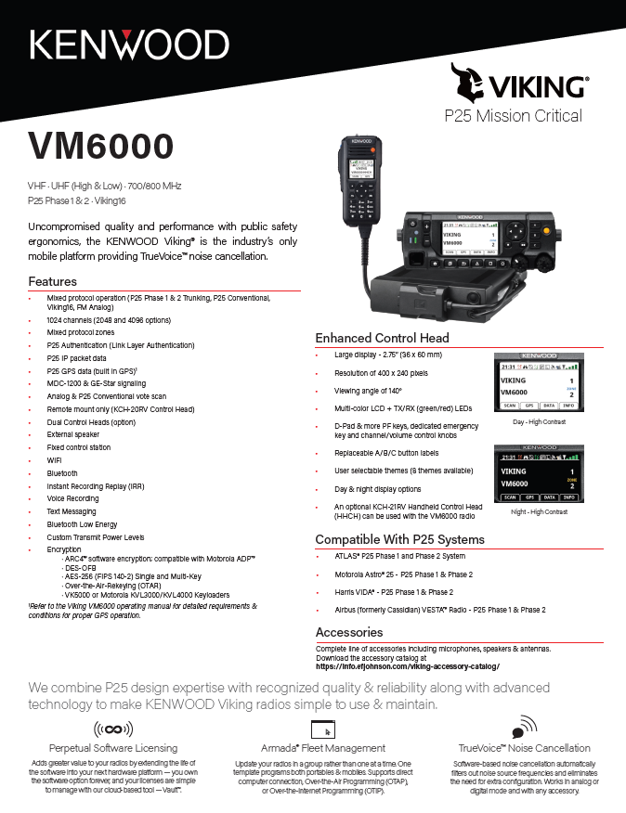

Radio - Base Model |  | Contract | List
VM6730BF | VM6000 136-174 MHZ | $2,368.00 | $2,960.00
VM6830BF | VM6000 450-520 MHZ | $2,368.00 | $2,960.00
VM6830BF2 | VM6000 380-470 MHZ | $2,368.00 | $2,960.00
VM6930BF | VM6000 700/800 MHZ | $2,368.00 | $2,960.00
Mounting Accessories |  | Contract | List
KMB-33M | Mounting Bracket | $15.12 | $18.90
KMB-34 | Mounting Case for Control Station with KPS-15 | $65.68 | $82.10
KPS-15 | DC Switching Power Supply (117/230 VAC; 23A max. continuous, 25A peak) | $185.60 | $232.00
KCT-46 | Ignition Sense Cable | $14.72 | $18.40
KCT-23M3 | DC Cable-Remote, 23' | $57.84 | $72.30
KLF-2 | Line filter for DC voltage supply. Filters noise induced from vehicular alternator | $100.00 | $125.00
Control head |  | Contract | List
KCH-20RV | KCH-20 Enhanced control head | $642.40 | $803.00
KCH-21RVM | KCH-21 Hand Held control head | $1,064.00 | $1,330.00
KRK-17BF | Remote Kit for KCH Control Head | $149.60 | $187.00
KCT-71M2 | 17 Ft remote cable, KCH-20 | $75.28 | $94.10
KCT-71M3 | 25 Ft remote cable, KCH-20 | $85.60 | $107.00
KCT-71A50 | Remote Cable up to 50 Ft, KCH-20 | $181.44 | $226.80
KCT-71A100 | Remote Cable up to 100 Ft, KCH-20 | $257.60 | $322.00
KCT-71M4 | 1.6 Ft Remote Cable, KCH-20 (Control Station) | $48.16 | $60.20
KCT-77M2 | Hand Held Control Head remote cable | $196.00 | $245.00
KMC-65M | Standard Mobile Mic for KCH Control Head | $55.92 | $69.90
KMC-66M | 12 Button Keypad Mic for KCH Control Head | $101.60 | $127.00
KMC-9C | Control Station Desktop Microphone (8-pin mod. plug) | $92.00 | $115.00
KMC-59C | Control Station Desktop Microphone (8-pin mod. plug) Improved noise response for Phase 2 TDMA systems | $185.84 | $232.30
Speaker |  | Contract | List
KCT-72M | External Accessory Connection Cable for KCH-20RV remote control heads | $39.36 | $49.20
KAP-2 | Horn Alert / PA Relay Option Kit | $67.52 | $84.40
KES-5A | 40W External Speaker. Requires KAP-2 kit to connect to radio. Requires KCT-72M cable to connecto to KCH-20 Control Head. | $143.20 | $179.00
KES-8K | 10W External Speaker, 3.5 mm audio plug | $116.00 | $145.00
Programming |  | Contract | List
R5975357791 | USB Micro B Male to USB A Male Programming Cable | $28.16 | $35.20
597539077901 | USB Micro B Extension Cable | $22.88 | $28.60
2990045094 | Armada Software Subscription - 5 years | $476.00 | $595.00
Protocol |  | Contract | List
8321050001 | Analog FM (standard) | $0 | $0
8321000002 | P25 CAI AMBE+2 (standard) | $0 | $0
System Options |  | Contract | List
8322000001 | Analog Conventional | $0 | $0
8322000002 | P25 Conventional | $332.00 | $415.00
8322000005 | P25 Phase 1 Trunking (Requires option 8322000002) | $116.00 | $145.00
8322000006 | P25 Phase 2 TDMA (Requires option 8322000005) | $380.00 | $475.00
8322000104 | Viking16 | $80.00 | $100.00
Optional Features |  | Contract | List
 | Channels/Talkgroups
8326000006 | 1024 Channels/Talkgroups (standard) | $0 | $0
8326000008 | 2048 Channels/Talkgroups | $284.00 | $355.00
8326000009 | 4096 Channels/Talkgroups | $568.00 | $710.00
8326000041 | 6144 Channels/Talkgroups | $800.00 | $1,000.00
 | Encryption (requires Protocol Option 8322000002 - Digital/Project 25 CAI AMBE+2)
8323000003 | DES-OFB (multi-key) | $0 | $0
8323000002 | AES FIPS 140-2 (single-key) | $144.00 | $180.00
8323000004 | AES FIPS 140-2 (multi-key) | $448.00 | $560.00
8323000005 | ARC4 (ADP compatible) | $0 | $0
 | Programming & Data
8326000002 | MDC1200/GE-Star Signaling | $48.00 | $60.00
8325000002 | P25 Data Conventional Packet Data | $132.00 | $165.00
8325000001 | P25 Data Trunking (Conventional included) | $188.00 | $235.00
8326000027 | P25 Paging Decode/Encode | $96.00 | $120.00
8324000002 | OTAR (Over-The-Air-Rekeying) | $712.00 | $890.00
8326000001 | P25 Authentication | $96.00 | $120.00
8324000003 | OTAP (Over-the-Air Programming) | $188.00 | $235.00
8325000003 | GPS | $96.00 | $120.00
KRA-40GM | GPS Antenna. Required for GPS option 8325000003. Automatically selected when GPS option is selected in CEvo Radio Configurator | $52.80 | $66.00
8326000024 | EVRS Mobile | $80.00 | $100.00
8326000013 | Third-Party Interface Protocol | $144.00 | $180.00

 | * prices shown are when configured with radio. The list price may be higher when purchased separately. See the Viking Accessory Catalog for list price when purchased separately.

VM5000
KENWOOD Viking Price Guide | May 19, 2025
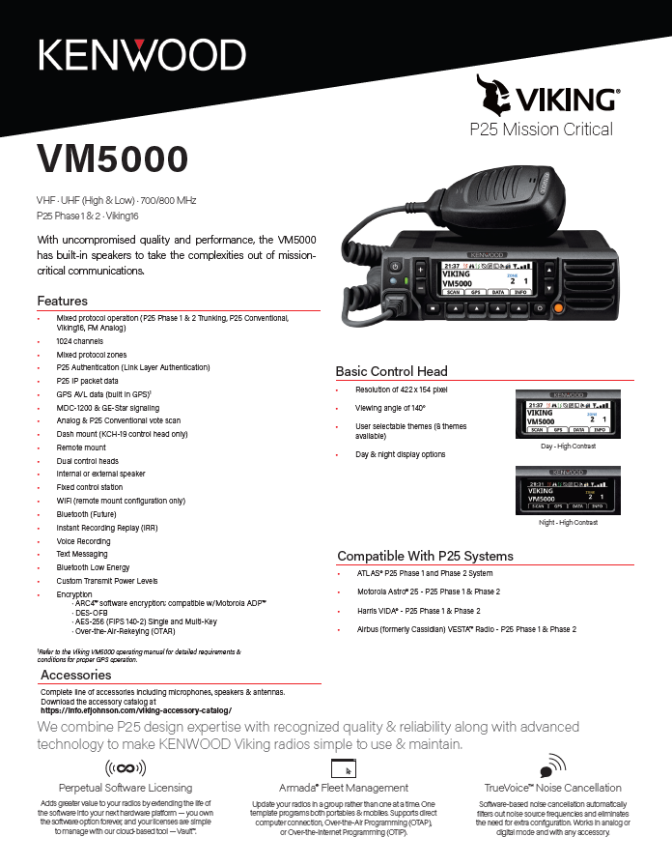

Radio - Base Model |  | Contract | List
VM5730BF | VM5000 136-174 MHZ | $2,248.00 | $2,810.00
VM5830BF | VM5000 450-520 MHZ | $2,248.00 | $2,810.00
VM5830BF2 | VM5000 380-470 MHZ | $2,248.00 | $2,810.00
VM5930BF | VM5000 700/800 MHZ | $2,248.00 | $2,810.00
Mounting Accessories |  | Contract | List
KMB-33M | Mounting Bracket | $15.12 | $18.90
KMB-34 | Mounting Case for Control Station with KPS-15 | $65.68 | $82.10
KPS-15 | DC Switching Power Supply (117/230 VAC; 23A max. continuous, 25A peak) | $185.60 | $232.00
KCT-46 | Ignition Sense Cable | $14.72 | $18.40
KLF-2 | Line filter for DC voltage supply. Filters noise induced from vehicular alternator | $100.00 | $125.00
Control head |  | Contract | List
KCH-19VM | Dash - KCH-19 | $192.80 | $241.00
KCT-23M | DC Cable-Dash 10' | $42.00 | $52.50
KCT-23M3 | DC Cable-Remote, 23' | $57.84 | $72.30
KRK-14HV | Control Head Rear Panel for remote mount of KCH-19 | $169.60 | $212.00
KRK-17BF | Radio Remote Kit for KCH Control Head | $149.60 | $187.00
KCT-71M2 | 17 Ft remote cable, KCH-19 | $75.28 | $94.10
KCT-71M3 | 25 Ft remote cable, KCH-19 | $85.60 | $107.00
KCT-71A50 | Remote Cable up to 50 Ft, KCH-19 | $181.44 | $226.80
KCT-71A100 | Remote Cable up to 100 Ft, KCH-19 | $257.60 | $322.00
KMC-65M | Standard Mobile Mic for KCH Control Head | $55.92 | $69.90
KMC-66M | 12 Button Keypad Mic for KCH Control Head | $101.60 | $127.00
KMC-9C | Control Station Desktop Microphone (8-pin mod. plug) | $92.00 | $115.00
KMC-59C | Control Station Desktop Microphone (8-pin mod. plug) Improved noise response for Phase 2 TDMA systems | $185.84 | $232.30
Speaker |  | Contract | List
KAP-2 | Horn Alert / PA Relay Option Kit | $67.52 | $84.40
KES-5A | 40W External Speaker. Requires KAP-2 kit to connect to radio. | $143.20 | $179.00
KES-8K | 10W External Speaker, 3.5 mm audio plug | $116.00 | $145.00
Programming |  | Contract | List
KPG-46XM | Programming CAble, VM5000 KCH-19 Dash mount | $169.60 | $212.00
R5975357791 | USB Micro B Male to USB A Male Programming Cable | $28.16 | $35.20
597539077901 | USB Micro B Extension Cable | $22.88 | $28.60
2990045094 | Armada Software Subscription - 5 years | $476.00 | $595.00
Protocol |  | Contract | List
8321050001 | Analog FM (standard) | $0 | $0
8321000002 | P25 CAI AMBE+2 (standard) | $0 | $0
System Options |  | Contract | List
8322000001 | Analog Conventional | $0 | $0
8322000002 | P25 Conventional * | $0 | $0
8322000005 | P25 Phase 1 Trunking (Requires option 8322000002)* | $0 | $0
8322000006 | P25 Phase 2 TDMA (Requires option 8322000005) | $380.00 | $475.00
8322000104 | Viking16 | $80.00 | $100.00
Optional Features |  | Contract | List
 | Channels/Talkgroups
8326000006 | 1024 Channels/Talkgroups (standard) | $0 | $0
 | Encryption (requires Protocol Option 8322000002 - Digital/Project 25 CAI AMBE+2)
8323000003 | DES-OFB (multi-key) | $0 | $0
8323000002 | AES FIPS 140-2 (single-key) | $144.00 | $180.00
8323000004 | AES FIPS 140-2 (multi-key) | $448.00 | $560.00
8323000005 | ARC4 (ADP compatible) | $0 | $0
 | Programming & Data
8326000002 | MDC1200/GE-Star Signaling | $48.00 | $60.00
8325000002 | P25 Data Conventional Packet Data | $132.00 | $165.00
8325000001 | P25 Data Trunking (Conventional included) | $188.00 | $235.00
8326000027 | P25 Paging Decode/Encode | $96.00 | $120.00
8324000002 | OTAR (Over-The-Air-Rekeying) | $712.00 | $890.00
8326000001 | P25 Authentication | $96.00 | $120.00
8324000003 | OTAP (Over-the-Air Programming) | $188.00 | $235.00
8325000003 | GPS | $96.00 | $120.00
KRA-40GM | GPS Antenna. Required for GPS option 8325000003. Automatically selected when GPS option is selected in CEvo Radio Configurator | $52.80 | $66.00
8326000024 | EVRS Mobile | $80.00 | $100.00
8326000013 | Third-Party Interface Protocol | $144.00 | $180.00

 | * prices shown are when configured with radio. The list price may be higher when purchased separately. See the Viking Accessory Catalog for list price when purchased separately.

Kairos
 | Effective Date: May 19, 2025

KA160/KA450/KA500 Analog/P25, VHF/UHF Repeaters - 136-174 MHz / 400-520 MHz
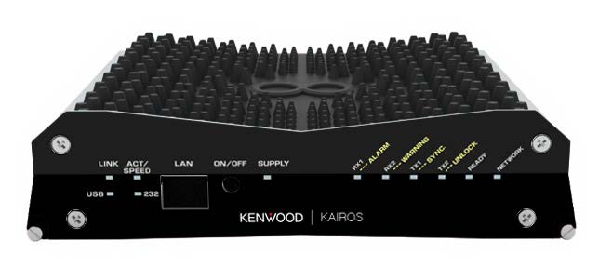
GENERAL FEATURES
Analog FM 12.5 kHz
Digital 12.5 kHz
P25 conventional and simulcast repeaters
DMR Conventional IP Network
Multi-mode Analog/Digital Repeater
Optional Soft Diversity Reception
Analog / Digital Simulcast Option
System Redundancy
AIS Gateway compatible
GENERAL OPTIONS
Power supply options such as integrated SmartCharger and Low Voltage Disconnect for battery backup applications.
High performance 6 cavity BpBr duplexer is also available.
Multi-channel combining systems are quoted on an individual system basis.
Mounting options include 20 RU (42") and 40 RU (77") locking cabinets in addition to 17 RU (3') and 45 RU (7') open equipment racks.
Amplifier choices include 25W, 40W, 50W, 100W, 110W or 150W options.
Custom configurations are also available; contact your KENWOOD Systems Regional Sales Manager for more details.

KAIROS REPEATER AND GATEWAY |  | Contract | LIST
KA160 | KAIROS VHF (136-174 MHz) REPEATER, 1-25W | $3,737.36 | $4,671.70
KA450 | KAIROS UHF LO (400-450 MHz) REPEATER, 1-25W | $3,737.36 | $4,671.70
KA500 | KAIROS UHF HI (450-527 MHz) REPEATER, 1-25W | $3,737.36 | $4,671.70
KA080 | KAIROS 66-88MHz RF BACKHAUL REPEATER, 1-25W | $4,080.00 | $5,100.00
REPEATER MOUNT (Mandatory mount option for rack mounting) |  | Contract | LIST
KA-RK1V2-BPM | 19" MOUNT PANEL FOR 1 KAIROS REPEATER | $484.80 | $606.00
KA-RK2-BPM | 19" MOUNT PANEL FOR 2 KAIROS REPEATER | $484.80 | $606.00
Kairos Software Options |  | Contract | LIST
KA-SI-T2M | SIMULCAST LICENSE | $5,338.80 | $6,673.50
KA-P25 | CONVENTIONAL P25 LICENSE | $3,882.40 | $4,853.00
KA-P25-SI | COMBO SW LICENSE P25+SIMULCAST | $9,220.72 | $11,525.90
Alarm Monitoring and Other |  | Contract | LIST
KA-NET-RCM | NETCONTROL - MONITORING AND REMOTE CONTROL SW | $178.48 | $223.10
KA-1+1M | KIT AND SW FOR HOT STAND-BY CONFIGURATION Note: Must purchase additional KA repeater. | $235.52 | $294.40
KA-MCTCSSM | MCTCSS SW LICENSE | $235.52 | $294.40
KA-POCSAG | POCSAG KAIROS | $558.88 | $698.60
IP Gateway Software License |  | Contract | LIST
IPGW-1013 | IP GATEWAY WITH SERVER, SOFTWARE, INSTALLATION | $4,557.60 | $5,697.00
KWD-1013T2 | DMR TIER II LICENSE | $1,367.68 | $1,709.60
KAGW-1013 | KAIROS GATEWAY | $3,242.08 | $4,052.60
KAS-20 Console |  | Contract | LIST
KAS-20K | DISPATCH CLIENT LICENSE | $- | $-
KWD-20S-MCK | MULTI-CLIENT LICENSE | $1,944.00 | $2,430.00
KWD-20S-RSK | RF SYSTEM LICENSE | $1,944.00 | $2,430.00
KWD-20C-VDK | VOICE DISPATCH LICENSE | $576.32 | $720.40
KWD-20C-VPK | VOICE PATH LICENSE | $576.32 | $720.40
KWD-20S-VRK | VOICE RECORD LICENSE | $1,944.00 | $2,430.00
KWD-20C-LMK | LOCATION MANAGEMENT LICENSE | $576.32 | $720.40
AMPLIFIER (OPTION) - ONE PER REPEATER |  | Contract | LIST
Note: Includes One Cable for Radio Connectivity.
KSGPA22540 | 136-174MHZ, 25W Input, 100W Output with T/R Switch | $2,167.20 | $2,709.00
KSGPA22440 | 136-174MHZ, 3W Input, 100W Output with T/R Switch | $2,390.96 | $2,988.70
KSGPA22523 | 136-174MHz, 25W Input, 25-50W Output, with T/R Switch | $1,735.20 | $2,169.00
KSGPA22260 | 136-174 MHz, 2-5W Input, 250W Output, 48V, with T/R Switch | $4,203.04 | $5,253.80
KSGPA22456 | 136-174 MHz, 2-5W Input, 150W Output, 48V, with T/R Switch | $4,203.04 | $5,253.80
KSGPA22423 | 136-174MHz, 3W Input, 25-50W Output, with T/R Switch | $1,899.44 | $2,374.30
KSGPA22403 | 136-174MHz, 3W Input, 25-50W Output | $1,494.00 | $1,867.50
KSGPA22503 | 136-174MHz, 25W Input, 25-50W Output | $1,493.60 | $1,867.00
KSGPA22415 | 136-174MHz 3W Input 100W Output | $2,061.60 | $2,577.00
KSGPA22515 | 136-174MHZ, 25W Input, 100W Output | $1,924.24 | $2,405.30
KSGPA22455 | 136-174 MHz, 2-5W Input, 150W Output, 48V | $3,934.80 | $4,918.50
KSGPA22259 | 136-174 MHz, 2-5W Input, 250W Output, 48V | $3,934.80 | $4,918.50
KSGPA23704 | 136-174MHz, 3W Input, 50W Output, 5-Pack | $1,497.60 | $1,872.00
KSGPA22416 | 136-174MHz, 3W Input, 100W Output, 5-Pack | $1,924.24 | $2,405.30
KSGPA23520 | 450-512MHz, 25W Input, 50-100W Output, with T/R Switch | $2,449.84 | $3,062.30
KSGPA23421 | 406-450MHz, 3W Input, 20-40W Output, with T/R Switch | $1,980.00 | $2,475.00
KSGPA23423 | 450-512MHz, 3W Input, 20-40W Output, with T/R Switch | $1,980.00 | $2,475.00
KSGPA23420 | 450-512MHz, 3W Input, 50-100W Output, with T/R Switch | $2,449.84 | $3,062.30
KSGPA23453 | 450-512MHZ, 3W Input, 100W Output, with T/R Switch | $3,848.80 | $4,811.00
KSGPA23551 | 406-450MHZ, 25W Input, 150W Output, with T/R Switch | $3,848.80 | $4,811.00
KSGPA23401 | 406-450MHz, 3W Input, 20-40W Output | $1,740.64 | $2,175.80
KSGPA23403 | 450-512MHz, 3W Input, 20-40W Output | $1,740.64 | $2,175.80
KSGPA23501 | 406-450MHz, 25W Input, 20-40W Output | $1,740.64 | $2,175.80
KSGPA23503 | 450-512MHz, 25W Input, 20-40W Output | $1,740.64 | $2,175.80
KSGPA23411 | 406-450MHz, 3W Input, 50-100W Output | $2,210.40 | $2,763.00
KSGPA23413 | 450-512MHz, 3W Input, 50-100W Output | $2,210.40 | $2,763.00
KSGPA23513 | 450-512MHz, 25W Input, 50-100W Output | $2,210.40 | $2,763.00
KSGPA23511 | 406-450MHz, 25W Input, 50-100W Output | $2,210.40 | $2,763.00
KSGPA23451 | 406-450MHz 3W Input 150W Output | $3,848.80 | $4,811.00
KSGPA23443 | 450-512MHZ, 3W Input, 150W Output | $3,382.24 | $4,227.80
KSGPA23541 | 406-450MHZ, 25W Input, 150W Output | $3,382.24 | $4,227.80
KSGPA23543 | 450-512MHZ, 25W Input, 150W Output | $3,382.24 | $4,227.80
KSGPA23562 | 450-512MHz, 25W Input, 250W Output | $11,899.84 | $14,874.80
KSGPA23563 | 450-512MHz, 25W Input, 250W Output | $11,899.84 | $14,874.80
KSGPA23560 | 450-512MHz, 25W Input, 250W Output | $11,899.84 | $14,874.80
KSGPA23561 | 450-512MHz, 25W Input, 250W Output | $11,899.84 | $14,874.80
KSGPA23707 | 403-450MHz, 2-5W Input, 50W Output 5-Pack | $1,742.40 | $2,178.00
KSGPA23705 | 450-512MHz, 3W Input, 50W Output, 5-Pack | $1,742.40 | $2,178.00
KSGPA22252 | 450-512 MHz, 5-10W Input, 50W Output 5-Pack | $1,742.40 | $2,178.00
KSGPA23708 | 403-450MHz, 5-10W Input, 50W Output, 5-Pack | $1,742.40 | $2,178.00
KSGPA23702 | 403-450MHz, 3W Input, 100W Output, 5-Pack | $2,210.40 | $2,763.00
KSGPA23703 | 450-512MHz, 3W Input, 100W Output, 5-Pack | $2,210.40 | $2,763.00
KSGPA23052 | 403-450 MHz 5-10W Input 100W Output 5-Pack | $2,210.40 | $2,763.00
KSGPA23713 | 450-512 MHz 5-10W Input 100W Output 5 -Pack | $2,210.40 | $2,763.00
KSGPA23706 | 450-512 MHz, 25W Input, 100W Output 5-Pack | $2,210.40 | $2,763.00
KSGMT90005 | RACK, BLACK, 5-PACK Note: Must be ordered when Vertical Mount (KSGPA22723 or KSGPA22724 is ordered. One rack can hold up to 5 amplifier | $626.56 | $783.20
DUPLEXER (OPTION) - ONE PER REPEATER |  | Contract | LIST
Note:A minimum of 70 dB isolation between the transmitter and receiver is required to ensure optimal repeater performance.Mobile duplexers are not ideal for high RF density configurations.
KSGDX12556 | DUPLEXER 6 CAVITY VHF BPBR Note: Bandpass/Bandreject duplexer, 350W continuous duty, minimum TX-RX 400 KHz. Includes one LMR-400 interface cable | $5,010.24 | $6,262.80
KSGDX13546 | DUPLEXER 6 CAVITY UHF BPBR (450-470MHz ONLY) Note: Bandpass/Bandreject duplexer, 250W continuous duty. Includes one LMR-400 interface cable. | $4,048.00 | $5,060.00
KSGDX23101 | DUPLEXER 4 CAVITY UHF BPBR (450-470MHz ONLY) Note: Bandpass/Bandreject duplexer, 350W continuous duty. Includes one LMR-400 interface cable. | $1,449.60 | $1,812.00
KSGDX28693 | 4 Cavity UHF BpBr Duplexer (470-512MHz Only) | $1,449.60 | $1,812.00
HARDWARE OPTIONS |  | Contract | LIST
KA-24BFSM | EXTENSION CONNECTOR FOR RX (MULTICOUPLER) Note: Order if you want to not connect the cables directly to the repeater, instead you want to connect through a flexible cable | $41.36 | $51.70
KA-24NFSM | EXTENSION CONNECTOR FOR GPS, TX, RX (ANT/DUPLXR) Note: Order if you want to not connect the cables directly to the repeater, instead you want to connect through a flexible cable | $41.36 | $51.70
KA-VOC-2M | ANALOG 4-WIRE TO DIGITAL (DMR) CONVERTER Note: Optional item, only if you want to convert analog 4-wire audio to DMR | $694.24 | $867.80
3351557001 | GPS ANTENNA SECURE SYNC KIT Note: Order one per site. Provides antenna connection to the GPS receiver for simulcast repeaters | $464.00 | $580.00
3351558001 | GPS ANTENNA SURGE SUPPRESSOR Note: Optional, item. Protects the GPS receiver inside the repeater from surges | $464.00 | $580.00
KA-GPSM | GPS RECEIVER | $427.04 | $533.80
POWER SUPPLY OPTIONS |  | Contract | LIST
KSGPS20200 | POWER SUPPLY, 20A, 13.8VDC Note: when operating repeater without AMP - 25W - incompatible with amplifier | $316.00 | $395.00
KSGPS20400 | POWER SUPPLY, 40A ,13.8VDC, 19" WIDE RACK MOUNTED Note:upto 100W one per repeater , Incompatible with 150W or 250W amplifier option | $453.36 | $566.70
KSGPS20352 | POWER SUPPLY, 35A, 13.8VDC, 19" WIDE RACK MOUNTED WITH SMART CHARGER Note: Incompatible with 150W or 250W amplifier option. - one per repeater - up to 100W | $1,144.00 | $1,430.00
KSGPS20701 | POWER SUPPLY, 70A, 13.8VDC, 19" WIDE RACK MOUNTED Note: one 150/250W repeater or two 100 W | $1,144.00 | $1,430.00
KSGPS20702 | POWER SUPPLY 70A, 13.8VDC, 19" WIDE RACK MOUNTED WITH SMART CHARGER Note: one 150/250W repeater | $1,468.80 | $1,836.00
MOUNTING RACK |  | Contract | LIST
KSGMCAB4 | 77" (40RU) LOCKING CABINET WITH CRATE | $6,348.32 | $7,935.40
KSGMRCK3 | 3' (17RU) ALUMINUM EQUIPMENT RACK WITH CRATE | $1,002.32 | $1,252.90
KSGMRCK7 | 7' (45RU) ALUMINUM EQUIPMENT RACK WITH CRATE | $1,994.08 | $2,492.60
KSGMT20020 | 42" (20RU) LOCKING CABINET | $1,856.80 | $2,321.00
KSGMT0C20U | CRATE FOR 42" (20RU) LOCKING CABINET Note: Optional for situations where extra protection during transportation is required. | $1,246.80 | $1,558.50
KSGMT20001 | CABINET SOLID TOP PANEL | $83.60 | $104.50
KSGMT20002 | CABINET FAN TOP ASSEMBLY | $403.92 | $504.90
VP-10-BPM | CLOSURE 10TE, FOR VERTICAL MOUNTING | $100.72 | $125.90
VP-4-BPM | CLOSURE 4TE, FOR VERTICAL MOUNTING | $55.44 | $69.30
ETHERNET SWITCH & ROUTER OPTIONS |  | Contract | LIST
Note: One switch is required for each site; VPN router(s) may be required for multi-site systems depending on desired configuration. When needed, VPN router(s) are required in addition to and in conjunction with network switch equipment.
KSGNS1008 | CISCO CATALYST 1000 SERIES 8 PORT SWITCH Note: Rack-mountable, occupies 1 RU, mounting options: KSGMRCK3, KSGMRCK7 | $710.80 | $888.50
KSGNS1016 | CISCO CATALYST 1000 SERIES 16 PORT SWITCH Note: Rack-mountable, occupies 1 RU, mounting options: KSGMRCK3, KSGMRCK7 | $1,471.36 | $1,839.20
KSGNS1024 | CISCO CATALYST 1000 SERIES 24 PORT SWITCH Note: Rack-mountable, occupies 1 RU, mounting options: KSGMRCK3, KSGMRCK7 | $1,386.00 | $1,732.50
KSGNS60012 | HPE ARUBA 6000 SERIES 12-PORT SWITCH | $1,452.58 | $1,815.73
KSGNS50048 | CISCO 350 SERIES 48-PORT SWITCH | $1,744.18 | $2,180.23
KSGNS60024 | HPE ARUBA 6000 SERIES 24-PORT SWITCH | $1,601.98 | $2,002.48
KSGNS60048 | HPE ARUBA 6000 SERIES 48-PORT SWITCH | $2,725.18 | $3,406.48
KSGNS61012 | HPE ARUBA 6100 SERIES 12-PORT SWITCH | $2,186.98 | $2,733.73
KSGNS61024 | HPE ARUBA 6100 SERIES 24-PORT SWITCH | $3,542.38 | $4,427.98
KSGNS61048 | HPE ARUBA 6100 SERIES 48-PORT SWITCH | $5,201.98 | $6,502.48
KSGNS1048 | CISCO CATALYST 1000 SERIES 48 PORT SWITCH Note: Rack-mountable, occupies 1 RU, mounting options: KSGMRCK3, KSGMRCK7 | $2,057.20 | $2,571.50
KSGUT10001 | MOUNTING TRAY, 1RU Note: Provides mounting space for up to two accessories | $108.72 | $135.90
KSGMS100P1 | 15A POWER STRIP, 19" RACKMOUNT, 1RU Note: One recommended per rack when including a switch and/or router | $160.00 | $200.00
KSGRT2003 | HPE FLEXNETWORK MSR2003X ROUTER | $3,739.52 | $4,674.40
SERVICE |  | Contract | LIST
3392400001 | KAIROS AND NX COVERAGE ANALYSIS & TDI STUDY-1st SITE | $175.00 | $175.00
3392400002 | KAIROS AND NX COVERAGE ANALYSIS & TDI STUDY-EACH ADDITIONAL SITE | $125.00 | $125.00
3392500001 | IMPLEMENTATION SUPPORT SERVICE (1 HOUR) | $248.00 | $248.00
3392600001 | NETWORK DESIGN(1 HOUR) | $248.00 | $248.00
3392600002 | NETWORK DESIGN REVIEW(1 HOUR) | $248.00 | $248.00
3392600003 | NETWROK CONFIGURATION(PER DEVICE) | $496.00 | $496.00
3392600004 | NETWORK TROUBLESHOOTING(1 HOUR) | $248.00 | $248.00
3392700001 | SYSTEM DESIGN ASSISTANCE(1 HOUR) | $248.00 | $248.00
TRAINING |  | Contract | LIST
339TRNGK101 | Kairos Basic Training - In House | $1,980.00 | $1,980.00
339TRNGK001 | Kairos Basic Traning - On Site | $5,060.00 | $5,060.00
339TNG088 | LMS (Learning Management System) 1-year Subscription | $100.00 | $100.00

