Authorized Dealer by Location
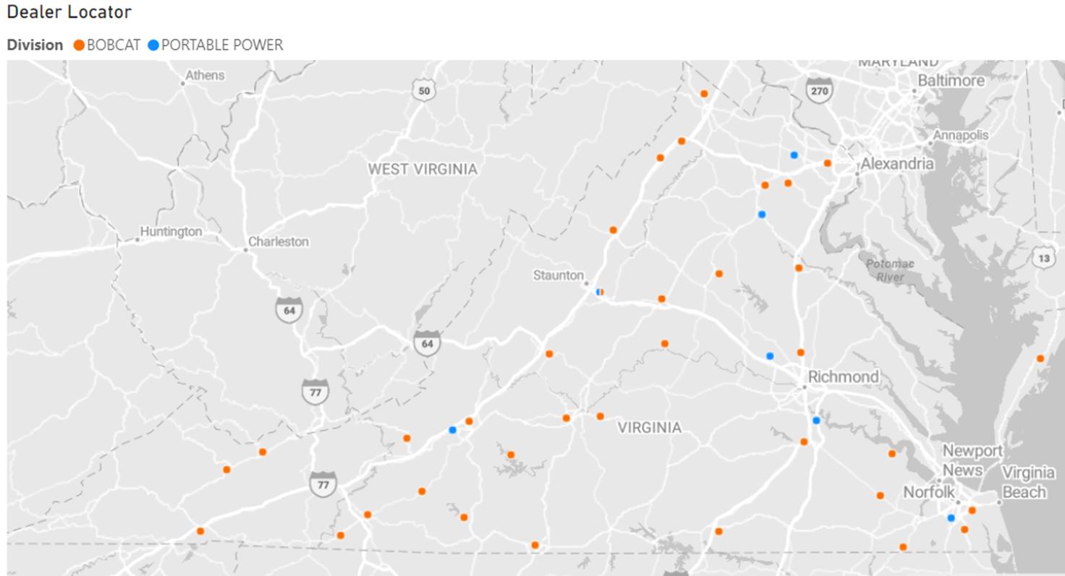

AUTHORIZED DEALERS/DISTRIBUTORS BY STATE

Vendor: | Doosan Bobcat North America, Inc. dba Bobcat Company
Date: | 28-May-24

STATE | Dealer Available Yes/NO | Total Dealers by State | Manufacturer sells Direct to end user YES/NO

ALABAMA | Yes | 34 | No
ALASKA | Yes | 12 | No
ARIZONA | Yes | 15 | No
ARKANSAS | Yes | 31 | No
CALIFORNIA | Yes | 41 | No
COLORADO | Yes | 26 | No
CONNECTICUT | Yes | 8 | No
DELAWARE | Yes | 3 | No
FLORIDA | Yes | 60 | No
GEORGIA | Yes | 50 | No
HAWAII | Yes | 3 | No
IDAHO | Yes | 11 | No
ILLINOIS | Yes | 52 | No
INDIANA | Yes | 42 | No
IOWA | Yes | 35 | No
KANSAS | Yes | 16 | No
KENTUCKY | Yes | 21 | No
LOUISANA | Yes | 20 | No
MAINE | Yes | 12 | No
MARYLAND | Yes | 21 | No
MASSACHUSETTS | Yes | 12 | No
MICHIGAN | Yes | 48 | No
MINNESOTA | Yes | 45 | No
MISSISSIPPI | Yes | 24 | No
MISSOURI | Yes | 38 | No
MONTANA | Yes | 11 | No
NEBRASKA | Yes | 17 | No
NEVADA | Yes | 5 | No
NEW HAMPSHIRE | Yes | 8 | No
NEW JERSEY | Yes | 36 | No
NEW MEXICO | Yes | 6 | No
NEW YORK | Yes | 50 | No
NORTH CAROLINA | Yes | 76 | No
NORTH DAKOTA | Yes | 24 | No
OHIO | Yes | 82 | No
OKLAHOMA | Yes | 22 | No
OREGON | Yes | 18 | No
PENNSYLVANIA | Yes | 55 | No
RHODE ISLAND | Yes | 3 | No
SOUTH CAROLINA | Yes | 31 | No
SOUTH DAKOTA | Yes | 25 | No
TENNESSEE | Yes | 44 | No
TEXAS | Yes | 89 | No
UTAH | Yes | 8 | No
VERMONT | Yes | 6 | No
VIRGINIA | Yes | 43 | No
WASHINGTON | Yes | 24 | No
WEST VIRGINIA | Yes | 12 | No
WISCONSIN | Yes | 58 | No
WYOMING | Yes | 11 | No

Summarized Authorized Dealer List By State Included In This Spreadsheet - "Summarized US Dealer List"

