Allocate Health Care Expenses
 |  |  | Allocating Health Insurance Expenses
 |  |  | Employee Retention Tax Credit

 | Start with an understanding of what are acceptable methods for allocating the expense per the IRS:
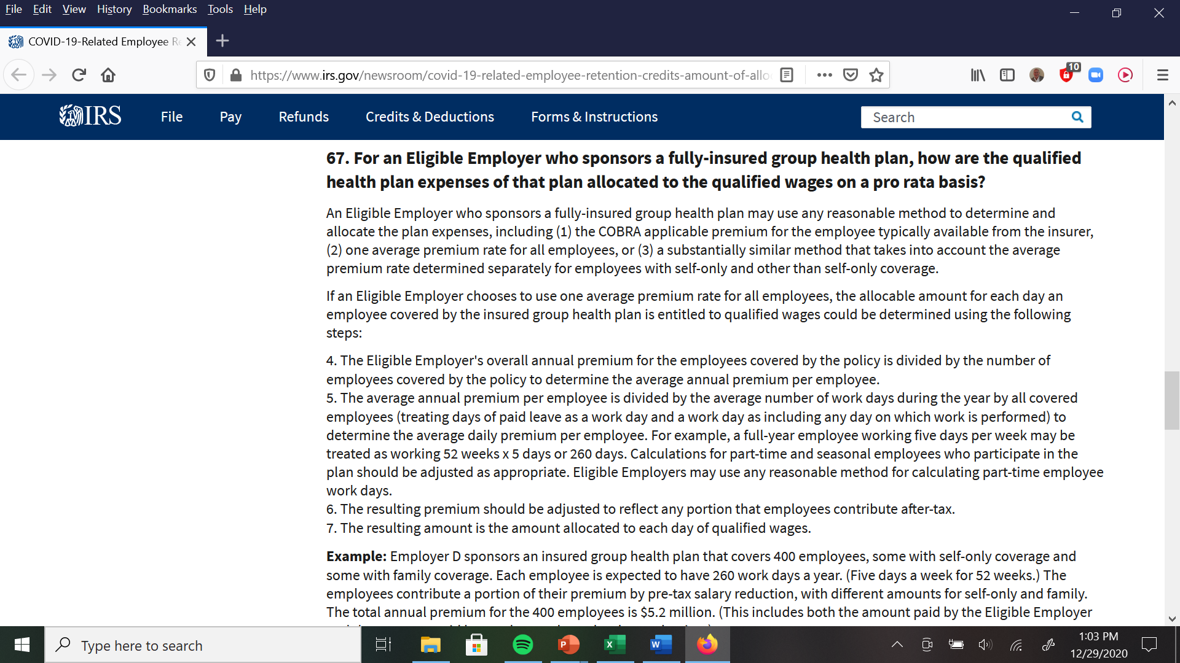

2nd Q 2020 Period |  |  |  | Work Days
Total Number of Employees on Payroll |  |  |  |  | 4
Health Insurance Premium - April 2020 |  |  |  | 22 | $2,250
Health Insurance Premium - May 2020 |  |  |  | 21 | $2,250
Health Insurance Premium - June 2020 |  |  |  | 22 | $2,250
Total Q2 Health Insurance Expense |  |  |  |  | $6,750
Expense per Employee |  |  |  |  | $1,688
Work Days in 2nd Q 2020 |  |  |  |  | 65
Expense per Employee per Day |  |  |  |  | $26

 | Work Hours in Day |  | 8
Empl | Hourly | Hours in | Convert | Allocated
No. | Pay Rate | Quarter | Hrs to Days | Health Exp
1 | Salary | Owner
3 | $22.50 | 490 | 61 | $1,590
5 | $16.40 | 440 | 55 | $1,428
6 | $11.20 | 460 | 58 | $1,493

